Sheet1
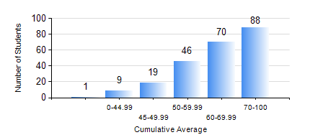
 |  |  | KWAME NKRUMAH UNIVERSITY OF SCIENCE AND TECHNOLOGY, KUMASI Department of Civil Engineering

 |  |  | BSC. CIVIL ENG.

 |  |  | COMPREHENSIVE RECORD OF EXAMINATION RESULTS

 |  |  | RESULTS OF YEAR 2 SECOND SEMESTER, 2024/2025 ACADEMIC YEAR

 | Sn | Course Code |  | Course Name | Credit Hours | Min. Mark | Max. Mark | Avg. Mark | Std. Dev. | No. Passed | No. Trailed | No. (Df) | No. (I) | No. (I*) | No. Tagged(I,I*,Df) | Total
 | 0. |  |  |  |  |  |  | 0 | 0 | 0 | 0 | 0 | 0 | 0 | 0 | 10
 | 1. | CE 256 |  | FLUID MECHANICS | 3 | 28 | 88 | 68 | 12.99 | 220 | 3 | 0 | 0 | 0 | 0 | 223
 | 2. | CE 258 |  | STRUCTURAL ANALYSIS | 3 | 7 | 98 | 55 | 22.74 | 180 | 43 | 0 | 0 | 0 | 0 | 223
 | 3. | CE 260 |  | SOIL AND ROCK MECHANICS | 2 | 6 | 97 | 62 | 19.74 | 199 | 24 | 0 | 0 | 0 | 0 | 223
 | 4. | CE 262 |  | SOIL AND ROCKS MECHANICS LABORATORY | 1 | 25 | 86 | 73 | 9.59 | 222 | 1 | 0 | 0 | 0 | 0 | 223
 | 5. | CE 264 |  | INTRO TO ENVIRONMENTAL ENG. | 2 | 22 | 78 | 59 | 9.44 | 219 | 4 | 0 | 0 | 0 | 0 | 223
 | 6. | CE 272 |  | PRINCIPLE OF DESIGN | 2 | 6 | 83 | 64 | 8.95 | 221 | 2 | 0 | 0 | 0 | 0 | 223
 | 7. | GE 282 |  | LARGE SCALE SURVEYING | 4 | 7 | 96 | 61 | 18.47 | 200 | 23 | 0 | 0 | 0 | 0 | 223
 | 8. | MATHS 252 |  | CALCULUS WITH SEVERAL VARIABLES | 4 | 17 | 87 | 52 | 12.92 | 196 | 27 | 0 | 0 | 0 | 0 | 223

